Understanding Diagram Data
Organization Chart - Data Visualizer Addin
Learn how to use the data columns in this Organization Chart sample.
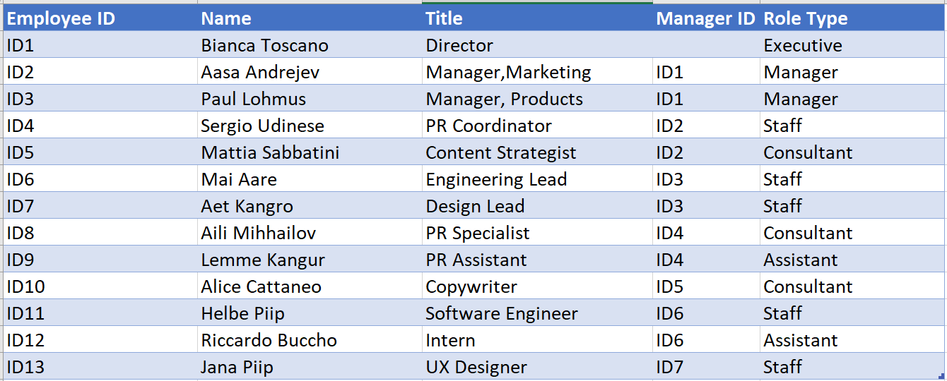
Employee ID
The values in this column should uniquely identify the Employee. For example 1,2,3… or S100, S101, D501, D502 etc. This is a mandatory field.

Name
Name of the employee.

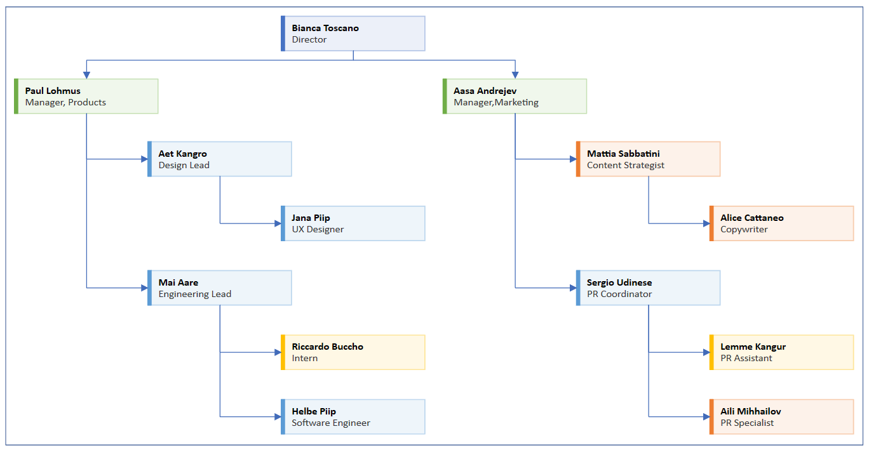
Title
Title of the employee in the organization. Employee ID of the person this individual reports to. For example, the sample data says “ID1” in the Manager ID field for the two individuals who report directly to the Executive.

Manager ID
Employee ID of the person this individual reports to. For example, the sample data says “ID1” in the Manager ID field for the two individuals who report directly to the Executive.

Role Type
Add keywords for role type in this column. This column contains a list of pre-defined colors in Visio. Recommended: Select a role type value from the available values in the dropdown list.

Let's get started >

